Isoprime Source
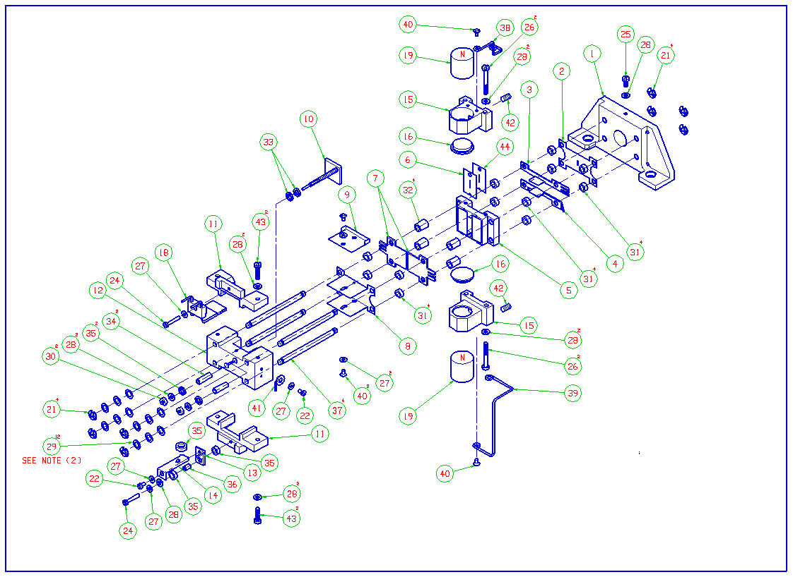
ISOPRIME ION SOURCE M693020DC2
ITEM NUMBER | PART CODE | DESCRIPTION | QUANTITY USED
2 | T3009880 | ALPHA PLATE (M652-390B) | 1 | 1
3 | M693023BD1 | PLATE Z UPPER | 1 | 1
4 | M693024BD1 | PLATE Z LOWER | 1 | 1
5 | M693025AC1 | ASSEMBLY SLIT SUPPORT | 1 | 2
7 | M693029CD1 | PLATE HALF | 2
8 | M693030CD1 | PLATE ION EXIT SLIT 5MM | 1 | 2
9 | M693031BD1 | PLATE ION EXIT SHIELD | 1 | 1
10 | M693032BD1 | PLATE ION REPELLER | 1
13 | M693035AD1 | BRACKET TRAP | 1
14 | M693036BD1 | TRAP | 1
18 | M693285BC1 | FILAMENT ASSY | 1 | 2
21 | T1026022 | CIRCLIP | 8
24 | 5314044 | SCREW M1.6 X 8 CH SLT | 2
25 | 5314049 | SCREW M2 X 5 CH SLT | 1
26 | 5314053 | SCREW M2 X 16 CH SLT | 4
27 | 5331013 | WASHER M1.6 FLAT | 6
28 | 5331014 | WASHER M2 FLAT | 12
29 | 5335005 | M3 WAVY WASHER | 12
30 | 5321019 | NUT M2 FULL | 2
31 | STD0006AD3 | CERAMIC SPACER 2.0 MM | 12 | 8
32 | STD0006AD9 | CERAMIC SPACER 6.0 MM | 4
33 | M693676AD1 | CERAMIC SPACER | 2 | 4
34 | M693072AD1 | CERAMIC INSULATOR 3 OD x 2 ID x 9 LG | 2
35 | T1640052 | CERAMIC SPACER 6.2 OD X 3.68 ID X 1.78 | 5 | 2
36 | T1640016 | CERAMIC SLEEVE 3.5mm | 1
37 | STD0008AD1 | CERAMIC ROD DIA :2.75 X45MM LONG | 4
40 | 5311037 | M1.6x3 LONG C'SK.HD.SCREW (ST.STL.) | 2
41 | STD0007AD1 | TERMINAL WASHER | 1
42 | 5316005 | SCREW M3 X 4 SKT SET | 2 | 0

Source Flange
 | ISOPRIME SOURCE FLANGE M693095BC1
ITEM NUMBER | PART CODE | DESCRIPTION | QUANTITY USED
2 | M693020CC2 | SOURCE ASSEMBLY (ELECTRO MAGNET) | 1
11 | M693221AD1 | TUBE HOLDER | 1
12 | M693222AD1 | TAPERED INLET TUBE | 1
13 | 6365042 | COMPRESSION SPRING | 1
6 | 5711260 | SEAL QUAD RING VITON | 1

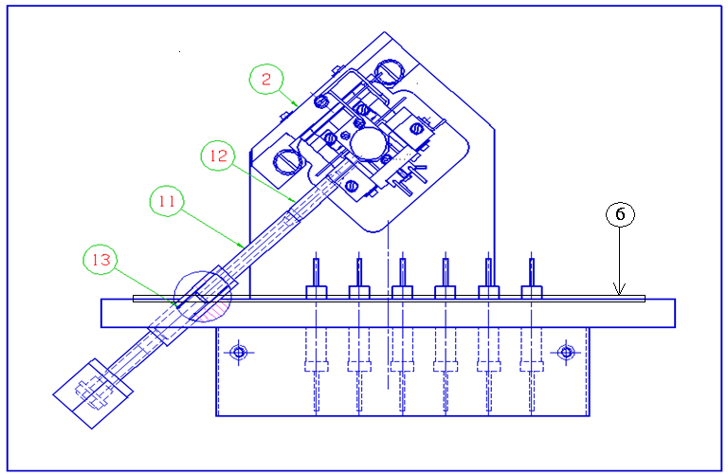

 |  |  |  | S05 000 597 connector, 2 pins

Diluter
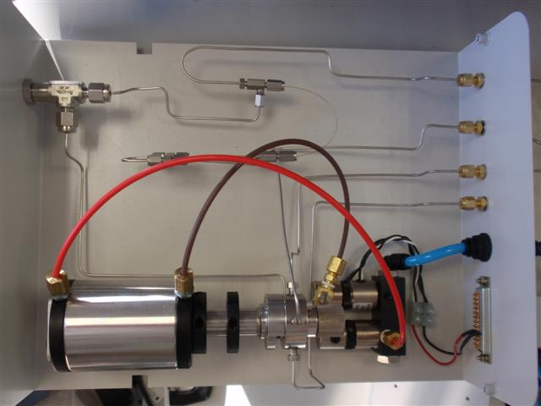
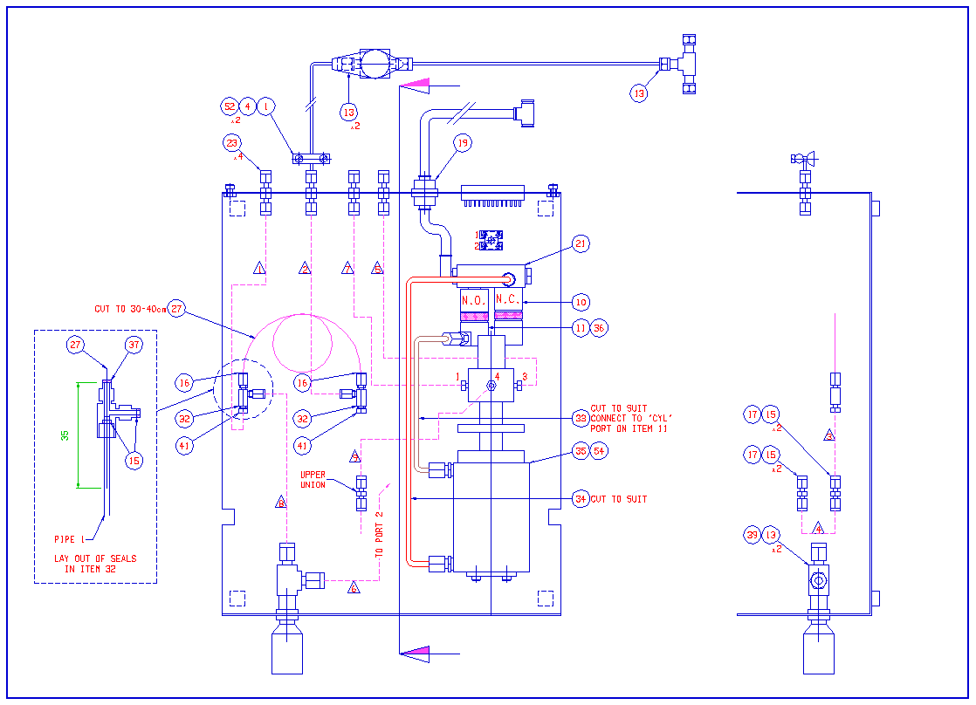
 | ISOPRIME DILUTER M693406DC1
ITEM NUMBER | PART CODE | DESCRIPTION | QUANTITY USED
1 | M693305AD1 | CAPILLARY CLAMP | 1
4 | M693407AD1 | CAPILLARY CLAMP BAR | 1
10 | T1042091 | SOLENOID VALVE 24V E3110 S51 | 1
11 | T1042533 | PREDYNE VALVE N/O SPECIAL ASSY (EH3210 S11) | 1
13 | 6070175 | FERRULE PTFE 1/8"X1/16" | 8
15 | 6070734 | FERRULE VESPEL SEALING RING VSR16-16 | 8
16 | 6070739 | EXTENDED NUT 1/16 FEMALE SS | 2
17 | 6070741 | UNION SSU16-16 | 2
23 | 6071778 | BULKHEAD UNION 1/16IN | 4
27 | 6490517 | CAPILLARY FUSED SILICA 150UM X 220UM | 1
32 | T1030070 | TEE CONNECTOR MFT/16 | 2
36 | T1042759 | WASHER DOWTY SEAL 10/32 | 1
35 | 6062775 | VALCO VALVE 4 PORT AIR ACTUATED | 1
37 | T1042831 | FERRULE GVF 16-003 | 2
41 | T1043025 | NUT MALE 1/16 SGE SSMN/16 | 2
42 | 6070208 | UNION STRAIGHT 1/8" | 1
44 | T1640486 | CAPILLARY ST/ST 1/16" X 0.020" | 100mm
52 | 5314069 | SCREW M3 X 12 CH SLT A4 SS | 2
54 | 5313044 | SCREW M4 X 10 CAP A4 SS | 2

Ref Gas Box
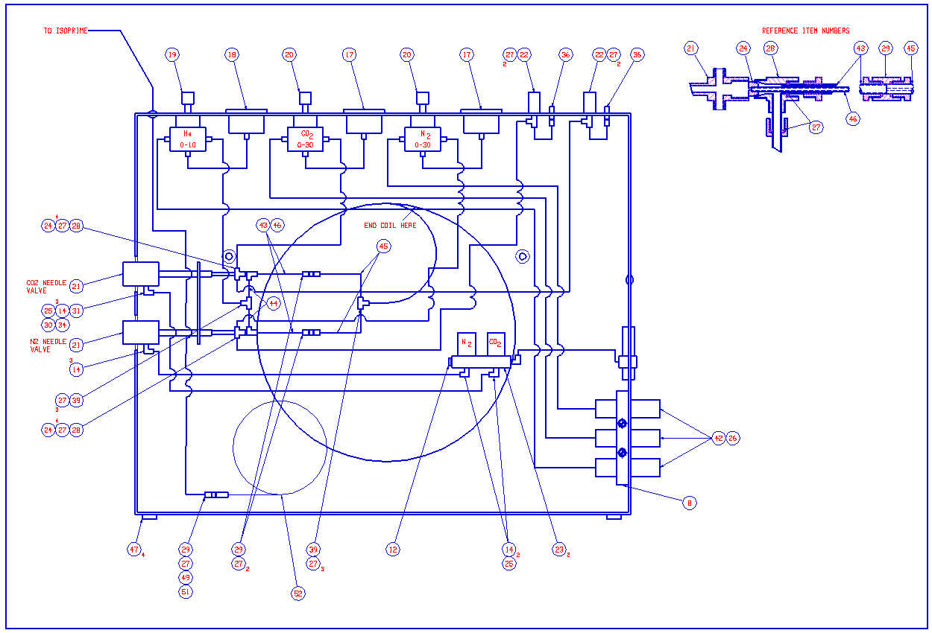
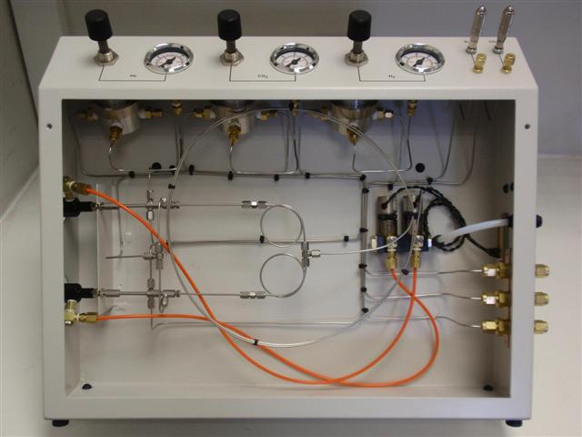
ISOPRIME REFERENCE GAS BOX M681198DC1 Issue 14
ITEM NUMBER | PART CODE | DESCRIPTION | QUANTITY USED
8 | T1015027 | SCREW M3 X 25 CH SLT | 2
17 | 6060985 | GAUGE PRESSURE 0-30PSI PANEL CHROME BEZEL G1/8 | 2
18 | 6060986 | GAUGE PRESSURE 0-15PSI PANEL CHROME BEZEL G1/8 | 1
20 | 6061726 | PRESSURE REGULATOR 8286-AMBS30 (0-30PSI) | 2
21 | 6062728 | VALVE PNEUMATIC MOVPT 1/50 | 2
22 | 6062729 | VALVE BMCV-1 | 2
23 | T1042091 | SOLENOID VALVE N/C 24V ( E3110 S51) | 2
24 | 6070173 | FERRULE GVF 16-003-004 | 2
26 | 6070175 | FERRULE PTFE 1/8X1/16 | 6
27 | 6070734 | FERRULE VESPEL SEALING RING VSR16-16 | 25
28 | 6070740 | MOD TEE CONNECTOR | 2
29 | 6070741 | UNION SSU16-16 | 3
36 | 6071778 | BULKHEAD UNION 1/16IN | 2
39 | 6071781 | TEE UNION STSTL 1/16TUBE | 2
42 | 6367408 | INLINE FILTER 1/8 IN | 3
46 | 6490518 | CAPILLARY FUSED SILICA 25UM X 363UM | 1
49 | 6070739 | NUT 1/16 FEMALE SS EXTENDED | 1
50 | 6070170 | FERRULE GVF 16(2)-004-003 | 2
51 | 6070737 | FERRULE GVF 16-004 | 2
52 | 6490515 | CAPILLARY FUSED SILICA 75UM X 190UM | 5
53 | 6490516 | CAPILLARY FUSED SILICA 100UM X 363UM | 5

Dual Inlet
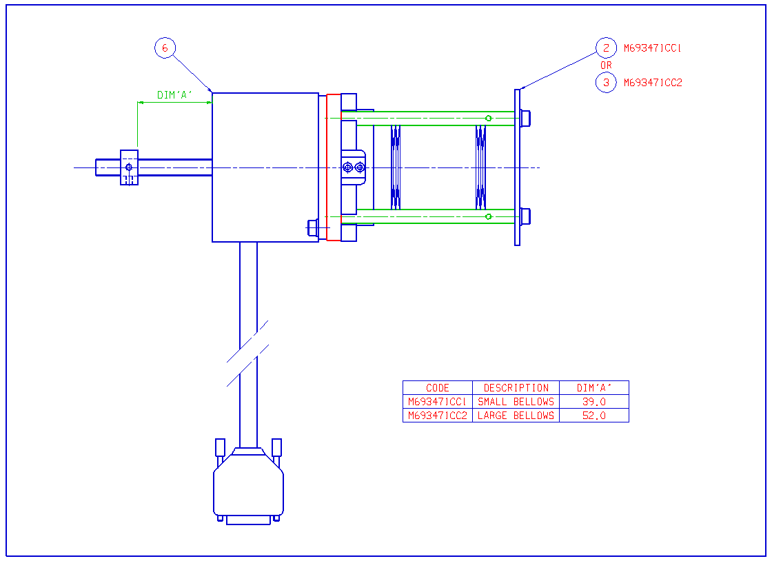
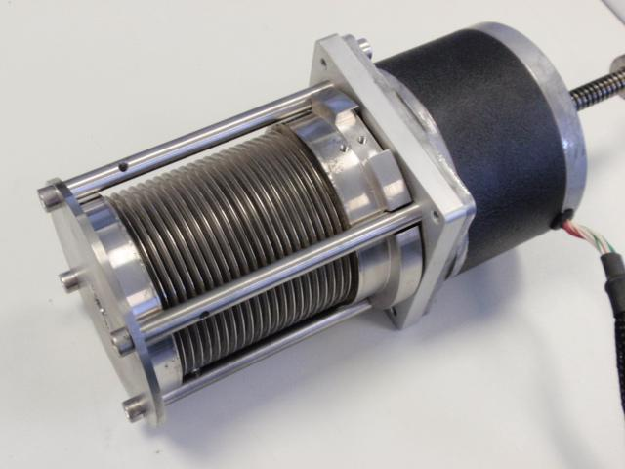
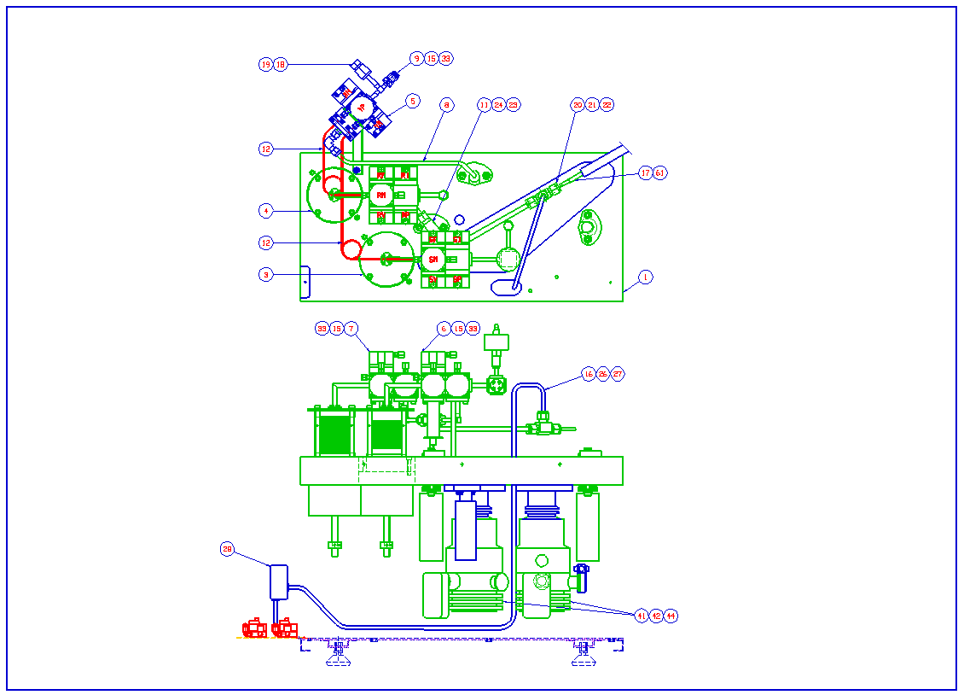
ISOPRIME DUAL INLET M693450DC1
ITEM NUMBER | PART CODE | DESCRIPTION | QUANTITY USED
3 | M693471CC1 | MOTOR DRIVEN SMALL BELLOWS ASSEMBLY | 1
4 | M693471CC2 | MOTOR DRIVEN LARGE BELLOWS ASSEMBLY | 1
5 | M693475CC1 | CHANGE OVER BLOCK ASSEMBLY | 1
6 | M693476CC1 | SAMPLE BLOCK ASSEMBLY | 1
7 | M693476CC2 | REFERENCE BLOCK ASSEMBLY | 1
12 | M693490BD1 | CAPILLARY TUBE DETAIL | 1
15 | 6017013 | USE T1013019 1/4" GOLD SEAL | 3
19 | 6070165 | GASKET VCR 1/4IN | 1
20 | 6070167 | UNION TEE 5/16IN TUBE OD | 1
21 | 6070192 | FERRULE PTFE 5/16IN X 3/16IN | 1
22 | 6070169 | FERRULE PTFE 5/16IN X 5/16IN | 2
23 | 6070171 | FERRULE SET PTFE 1/4 | 3
25 | 6071615 | BULKHEAD 6MM 3116.06.00 | 1
28 | 6071796 | AIR EJECTOR | 1
33 | 5313115 | SCREW M4 X 8 CAP A4 SS SLVR PLT | 12
56 | 5321004 | NUT M3 FULL A4SS | 2
39 | 6060972 | PIRANI GAUGE | 1
41 | 6061951 | TURBO PUMP DRIVE MODULE EXDC80 | 2
42 | 6061962 | PUMP TURBO EXT70/NW40 | 2
44 | 6062709 | VALVE VENT TAV5 | 2
48 | 6071200 | CENTRING RING NW10 | 17
49 | 6071201 | CENTRING RING NW25 AL | 4
51 | 6071203 | CLAMP RING NW25 | 2
54 | 6071217 | NW10/16 CENTRING RING | 3

 | M693465CC1 | COLD FINGER INTERNAL | 1
 | M693852DC1 | COLD FINGER EXTERNAL (REPLACEMENT) | Optional
 | M693333CC1 | REFERENCE BELLOWS ONLY | 1
 | M693332CC1 | SAMPLE BELLOWS ONLY | 1

SAMPLE BLOCK ASSEMBLY M693476CC1
ITEM NUMBER | PART CODE | DESCRIPTION 1 | QUANTITY USED
3 | T3601836 | CARRIER ASSY MICRO INLET | 4
4 | T3601837 | ACTUATOR PLUG | 4
9 | M693311AD1 | CONNECTOR TUBE | 1
7 | T3601847 | DIAPHRAGM | 4
14 | M693449BC1 | TRANSDUCER ASSEMBLY | 1
15 | M693465CC1 | COLD FINGER ASSEMBLY MP4 INTERNAL | 1
21 | M693493BD1 | GAS BOTTLE CONNECTION | 1
23 | T1013019 | 1/4" GOLD SEAL | 8
24 | 6071793 | MALE ELBOW STSTL 3.2MMO/D TO M5 X 0.8 | 5
29 | T1017045 | CONNECTOR CAP | 1
30 | T1013017 | SEAL GOLD RING 9.9MM I/D X 0.5MM C/S | 1
31 | T10442647 | 1/4" PTFE FERRULE SET | 1
32 | T1640418 | DISC SPRING 12.5x6.2x0.35x0.8 | 4
33 | T1640420 | COMPRESION SPRING | 4
34 | T1604067 | O RING 27.5X3 VITON | 4
35 | T3601918 | SEAL GOLD RING 19.75MM I/D X 0.5MM C/S | 4
36 | T3602810 | FILTER | 1
37 | T1037007 | GOLD SEAL BLANK | 1
43 | 5313115 | SCREW SKT HD M4X8 ST/STL SILVER PLATED | 28
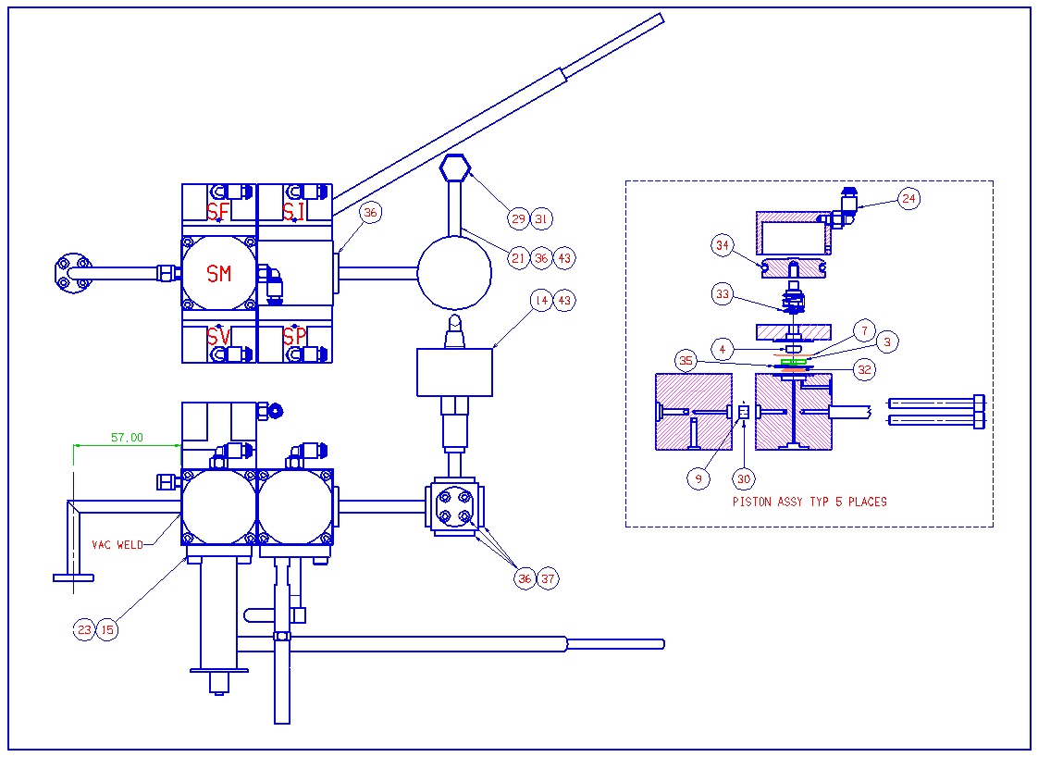
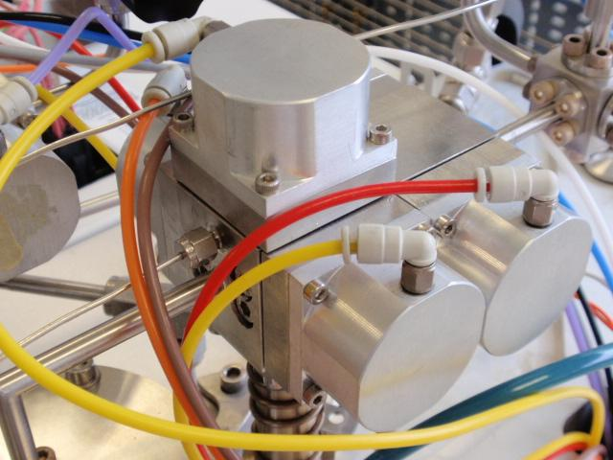

CHANGEOVER BLOCK M693475CC1
ITEM NUMBER | PART CODE | DESCRIPTION 1 | QUANTITY USED
3 | T3601836 | CARRIER ASSY MICRO INLET | 4
4 | T3601837 | ACTUATOR PLUG | 4
6 | T3601847 | DIAPHRAGM | 4
22 | 6071793 | MALE ELBOW STSTL 3.2MMO/D TO M5 X 0.8 | 4
24 | T1640418 | DISC SPRING 12.5x6.2x0.35x0.8 | 4
25 | T1640420 | COMPRESION SPRING | 4
26 | T1604067 | O RING 27.5X3 VITON | 4
27 | T3601918 | SEAL GOLD RING 19.75MM I/D X 0.5MM C/S | 4
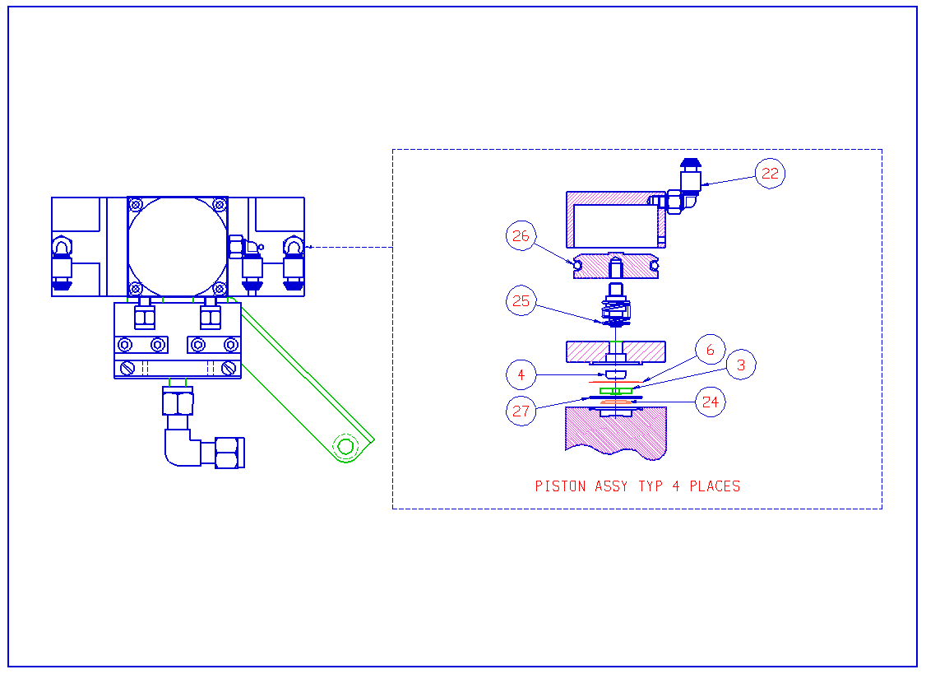
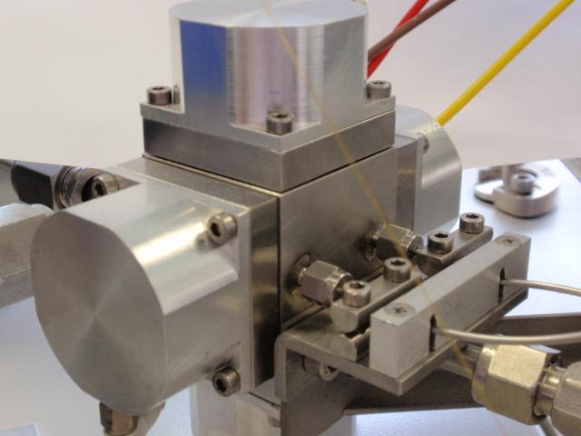

SAMPLE or REFERENCE BELLOWS. M693471CC1 or CC2
ITEM_NUMBER | PART_CODE | DESCRIPTION | QUANTITY
2 | M693332BC1 | SMALL BELLOWS ASSEMBLY | 1
3 | M693333BC1 | LARGE BELLOWS ASSEMBLY | 1
6 | M693472BD1 | LINEAR ACTUATOR | 1

TraceGas
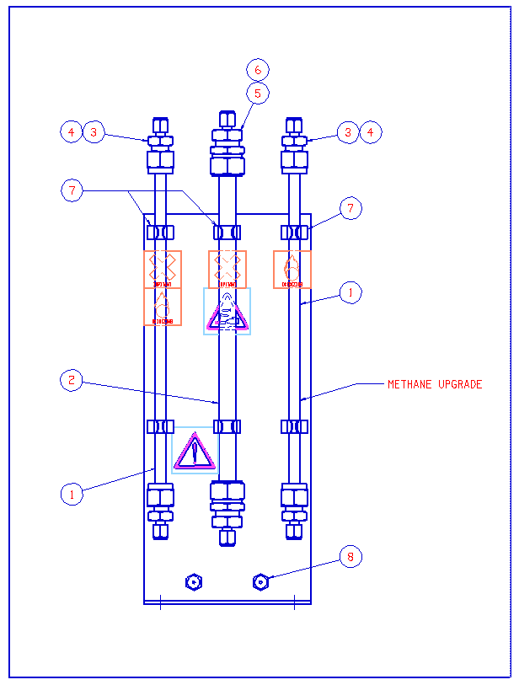
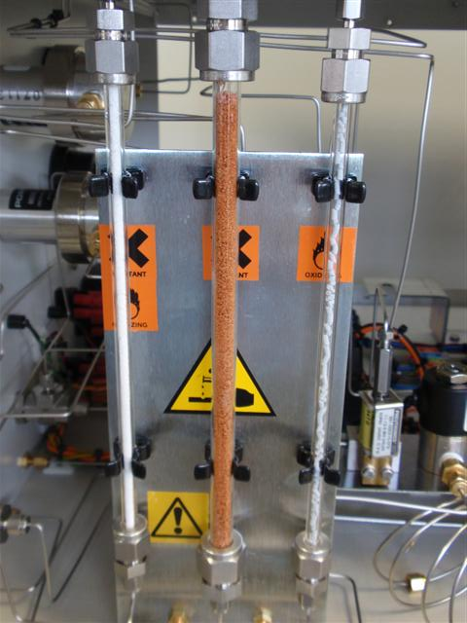
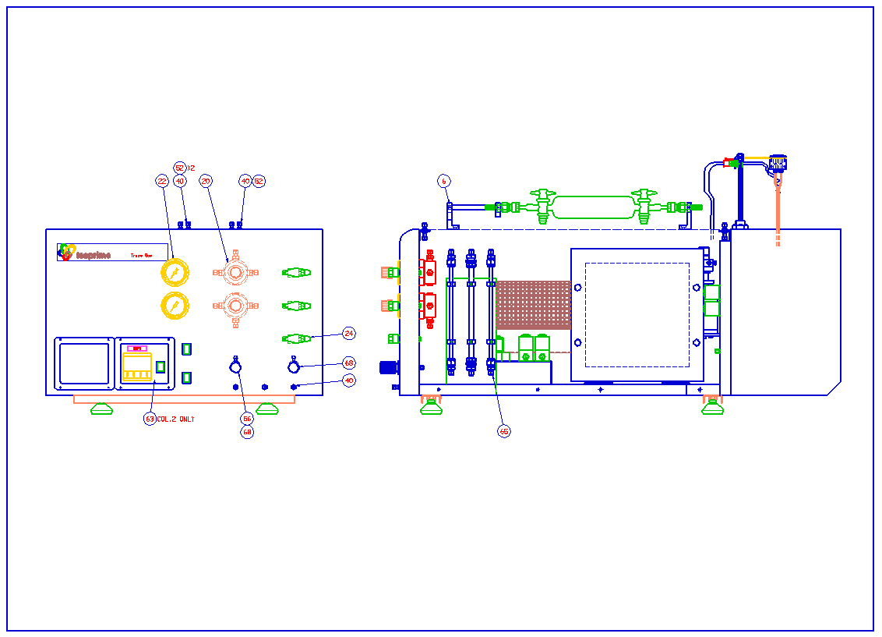
ISOPRIME TRACE GAS PRE-CONCENTRATOR M679046DC1
ITEM NUMBER | PART CODE | DESCRIPTION | QUANTITY

2 | M697052DC1 | OVEN ASSEMBLY | 1
3 | M697042CC1 | FILTERS ASSY (STANDARD SYSTEM) | 1
4 | M697043CC1 | VALVE PLINTH ASSEMBLY | 1
5 | M697044AC1 | PREDYNE ASSEMBLY | 1
6 | M697045CC1 | SAMPLE FLASK GUIDE ASSY | 1
20 | T1640476 | PRESSURE REGULATOR 0-10 PSI | 2
21 | 6071773 | MALE CONN 1/16-1/8 NPT | 10
22 | 6060986 | GAUGE PRESSURE 0-15PSI PANEL CHROME BEZEL G1/8 | 2
24 | 6060976 | VALVE BALL 3-WAY S/S 1/16IN TUBE. | 3
25 | 1141008 | SNAP BUSH 32MM | 1
26 | T1030098 | FILTER IN-LINE 7 MICRON | 1
27 | 6060886 | MANIFOLD VJ3000-22-1 | 2
28 | 6060887 | SOLENOID VALVE VJ3140-5MNZ-B-24VDC | 2
29 | 6071629 | UNION MALE 4MM-M5 STUD FITTING | 4
30 | 6071639 | ELBOW MALE 4MM-M5 | 10
31 | 6071646 | 'Y' PIECE 4MM TUBE | 2
35 | M697098BC1 | NAFION WATER SEPARATOR | 1
36 | 6060833 | SOLENOID VALVE 24V | 2
37 | 6062776 | VALVE VALCO 6 PORT AIR ACTUATED | 1
38 | 6070240 | UNION STRAIGHT BRASS 1/16TUBE | 2
39 | T1042759 | WASHER DOWTY SEAL 10/32 | 2
40 | 6070241 | UNION BULKHEAD BRASS 1/16 TUBE | 7
54 | 6070734 | VESPEL SEALING RING VSR16-16 | 2
55 | 6070739 | NUT 1/16" FEMALE EXTENDED SS | 2
52 | 6070736 | FERRULE GVF16-008 | 7
64 | M697080CC1 | FURNACE ASSEMBLY | 1

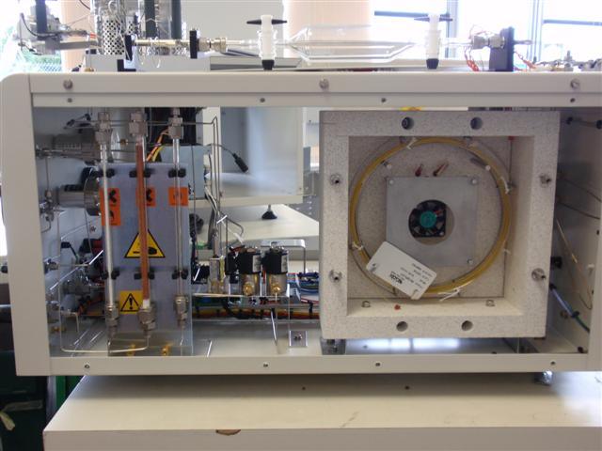
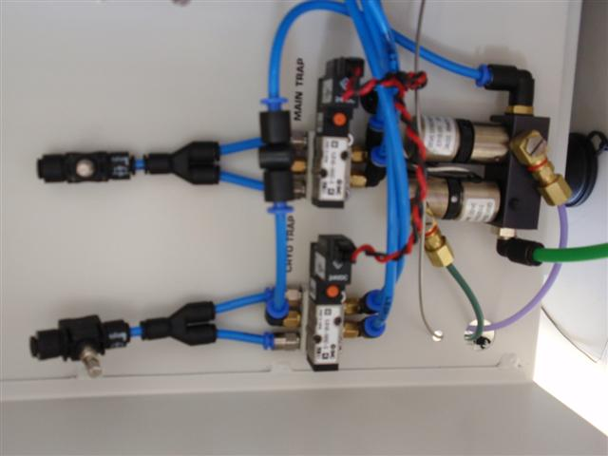

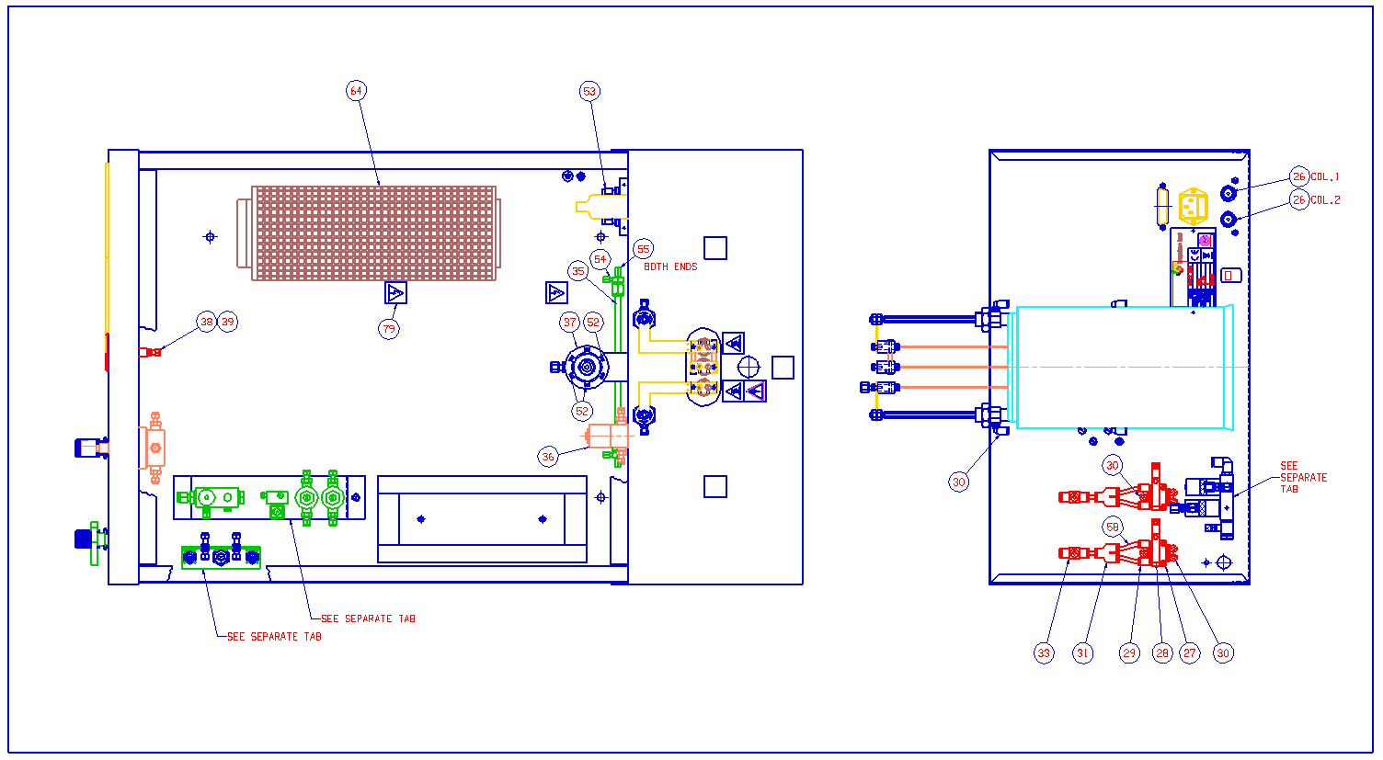

2 |  | TRACE GAS OVEN ASSEMBLY M697052DC1
ITEM_NUMBER | PART_CODE | DESCRIPTION | QUANTITY
10 | T1030099 | UNION SSU16.16 | 1
11 | T1030070 | TEE CONNECTOR MFT/16 | 1
26 | 7990710 | FAN 40X40X10 KDE1204PFB2-8 | 1
27 | T1640456 | CAPILLARY SS HP/GC 1/16IN OD X 0.030IN | 1
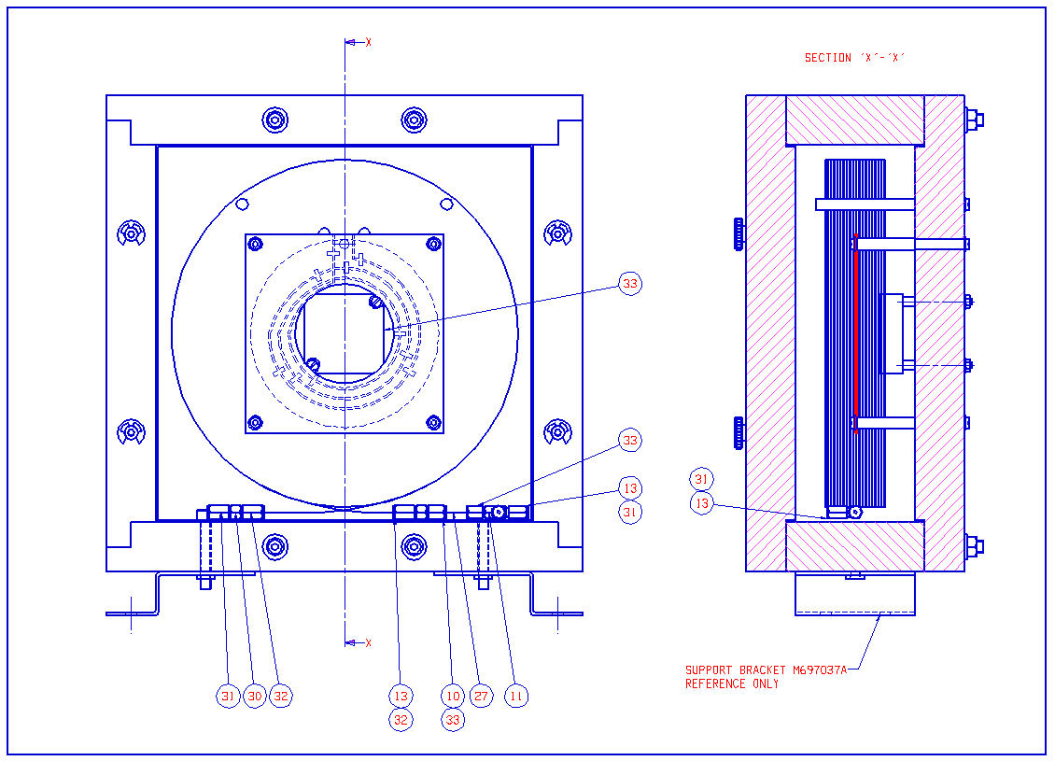
30 | 6070759 | GLASS LINED UNION VSU005 | 1
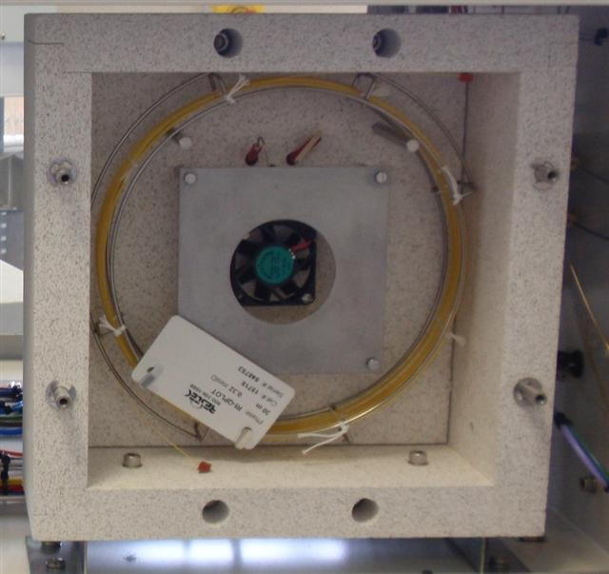
31 | T1030079 | FERRULE GVF 16(2)-004 | 3
32 | T1030108 | FERRULE GVF 16-005 | 2
33 | 6070734 | FERRULE VESPEL SEALING RING VSR16-16 | 2

3 |  | TRACE GAS VALVE PLINTH ASSEMBLY M697043CC1
ITEM_NUMBER | PART_CODE | DESCRIPTION | QUANTITY

2 | 6070240 | UNION STRAIGHT BRASS 1/16TUBE | 2
5 | 6062719 | SOLENOID VALVE 24V DC 50PSI 11-13-5-BV-24L05 | 1
6 | M693764BD1 | VALVE BODY | 1
7 | 6060833 | SOLENOID VALVE 24V | 2
10 | T1042759 | WASHER DOWTY SEAL 10/32 | 4
11 | 6071701 | VALCO BUSH 10-32 (641102) | 2
12 | 6070135 | VALCO FERRULE (641101) | 2
13 | 5711933 | O RING VITON 3.0IDX 1.0MM DEGASSED | 2
21 | 06 00 0003 | VALCO UNION ST/STL 1/16 THROUGH BORE | 1
22 | T1640333 | FERRULE 1/16" PTFE STRAIGHT | 1

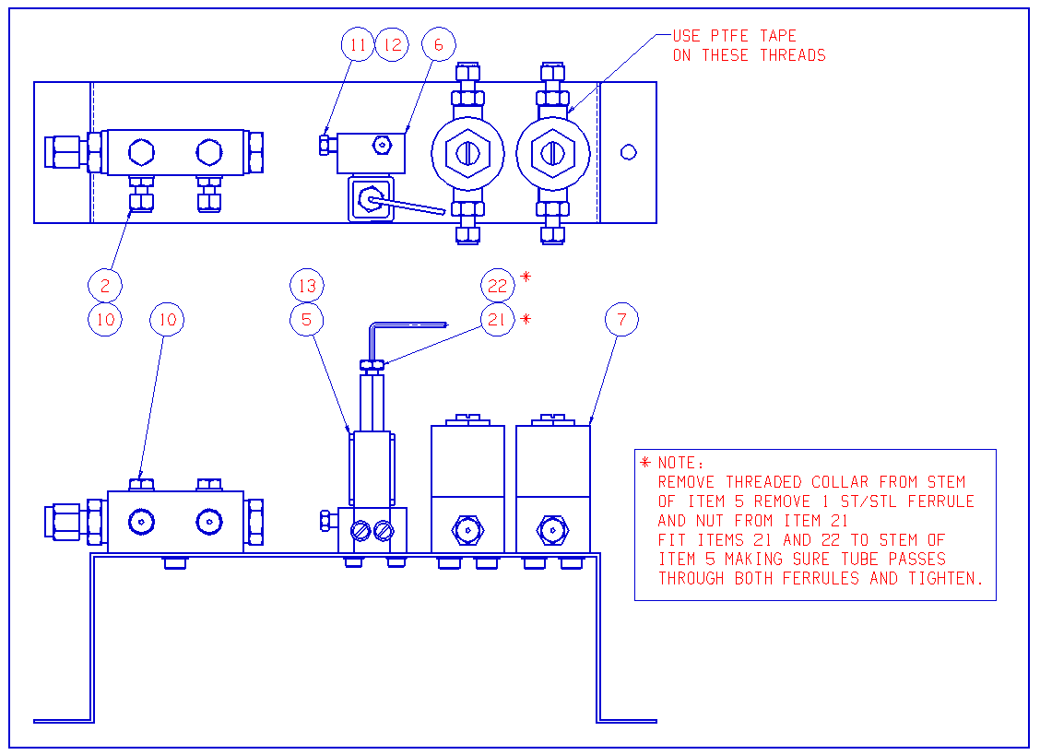
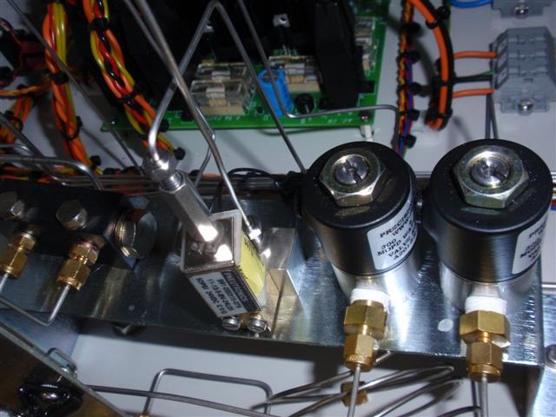

4 |  | TRACE GAS PREDYNE VALVE ASSY M697044AC1
ITEM_NUMBER | PART_CODE | DESCRIPTION | QUANTITY

1 | T1042533 | SOLENOID VALVE N/O SPECIAL ASSY EH3210 S11 | 1
2 | T1042091 | SOLENOID VALVE N/C 24V E3110 S51 | 1
5 | T1042092 | UNION REDUCING BRASS 10/32 TUBE 1/8TX | 2
6 | T1042536 | WASHER M5 FLAT NYLON | 4
7 | T1042171 | ADJUSTABLE 'L' FITTING 10-32 AVS 15002-1 BRASS | 2
8 | 6071603 | ELBOW MALE 4-1/8BSPT | 1
9 | T1042759 | WASHER DOWTY SEAL 10/32 | 1
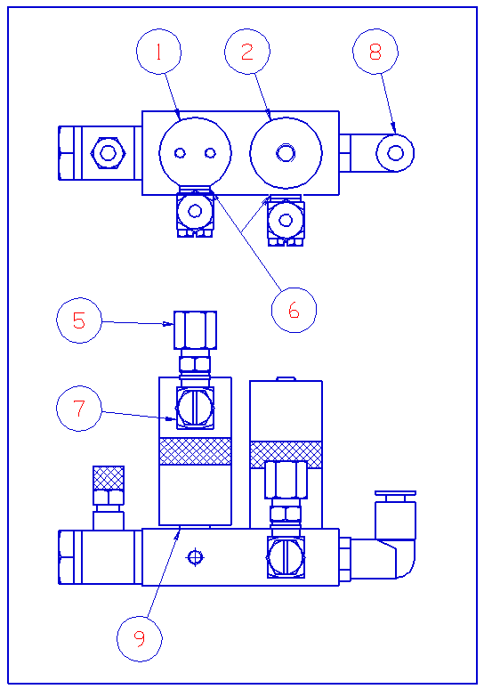

5 |  | FILTER ASSEMBLY M679042CC1
ITEM_NUMBER | PART_CODE | DESCRIPTION | QUANTITY
1 | 6028631 | DIA :6MM X 200LG GLASS TUBE | 1
2 | 6028633 | DIA :9MM X 200LG GLASS TUBE | 1
3 | 6071667 | 1/4IN-1/16IN ZERO DEAD VOLUME FITTING SS-400-6-1ZV | 2
4 | T1042953 | FERRULE GFF 4 4 SGE 072601 | 2
5 | 6071669 | 1/16IN-3/8IN UNION SWAGELOK SS-600-6-1 | 2
6 | 6070126 | FERRULE GRAPHITE GFF 3/8IN | 2
7 | M697069AD1 | SPRING CLIP | 4
8 | 6070241 | UNION BULKHEAD BRASS 1/16 TUBE SWAGELOK | 2

GC5 interface
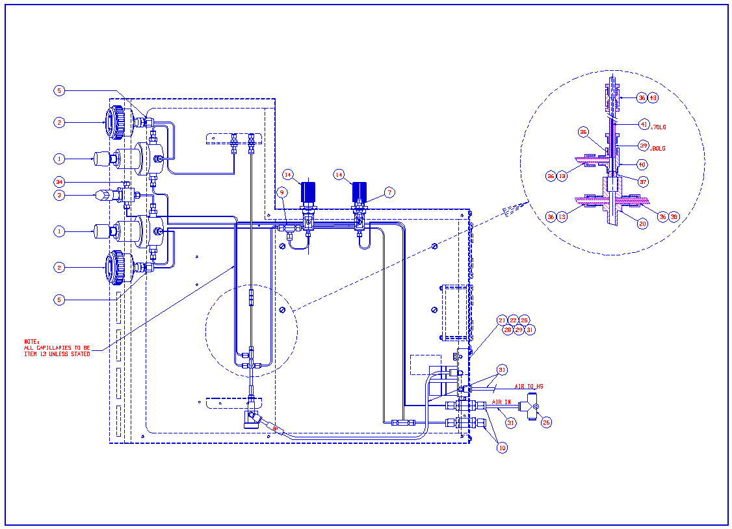
M67213DC1 GC5 Interface RH
ITEM NUMBER | PART CODE | DESCRIPTION | QUANTITY USED
1 | 6061725 | PRESSURE REGULATOR (0-10PSI) | 2
2 | 6060986 | GAUGE PRESSURE 0-15PSI PANEL CHROME BEZEL G1/8 | 2
3 | 6060976 | VALVE BALL 3-WAY S/S 1/16IN TUBE. | 1
5 | 6070175 | FERRULE PTFE 1/8X1/16 (PS200-100) | 4
7 | 6070201 | UNION BULKHEAD STSTL 1/16 TUBE SWAGELOK | 3
8 | M679149AD1 | M5 AIR ADAPTOR | 1
9 | 6070309 | TEE UNION STSTL 1/16TUBE SWAGELOK | 2
10 | 6367408 | INLINE FILTER 1/8 IN | 2
13 | 6396072 | CAPILLARY SS HP/GC 1/16IN OD X 0.030IN ID | 6
14 | 6060891 | VALVE PRECISION METERING HR SERIES | 2
20 | 6062728 | VALVE PNEUMATIC MOVPT 1/50 | 1
21 | 4064022BC1 | HEART SPLIT VALVE ASSEMBLY | 2
22 | M679259BD1 | MANIFOLD SUB BASE (3 STATION) | 1
25 | 6071603 | ELBOW MALE 4-1/8BSPT | 1
26 | 6071943 | TEE UNEQUAL 6-6-4 | 1
28 | T1042759 | WASHER DOWTY SEAL 10/32 | 1
29 | 6071639 | ELBOW MALE 4MM-M5 | 3
31 | 6060722 | TUBE POLYURETHENE BLUE O/D 4 | 3
34 | 6070733 | FERRULE BLANK PLUG 1/16IN PTFE | 1
36 | 6070734 | FERRULE VESPEL SEALING RING VSR16-16 | 6
37 | 6070173 | FERRULE GVF 16-003-004 | 1
38 | T1017011 | CAPILLARY SS HP/GC 1/16IN OD X 0.006IN ID | 0.5
39 | 6396002 | CAPILLARY SS HP/GC 1/16IN OD X 0.020IN ID | 0.1
40 | 6070740 | MOD.SGE TEE CONNECTOR (M681208B) | 1
41 | 6490518 | CAPILLARY FUSED SILICA 25UM X 363UM | 0.1
43 | 6070741 | UNION SSU16-16 | 1

GC Sample Line
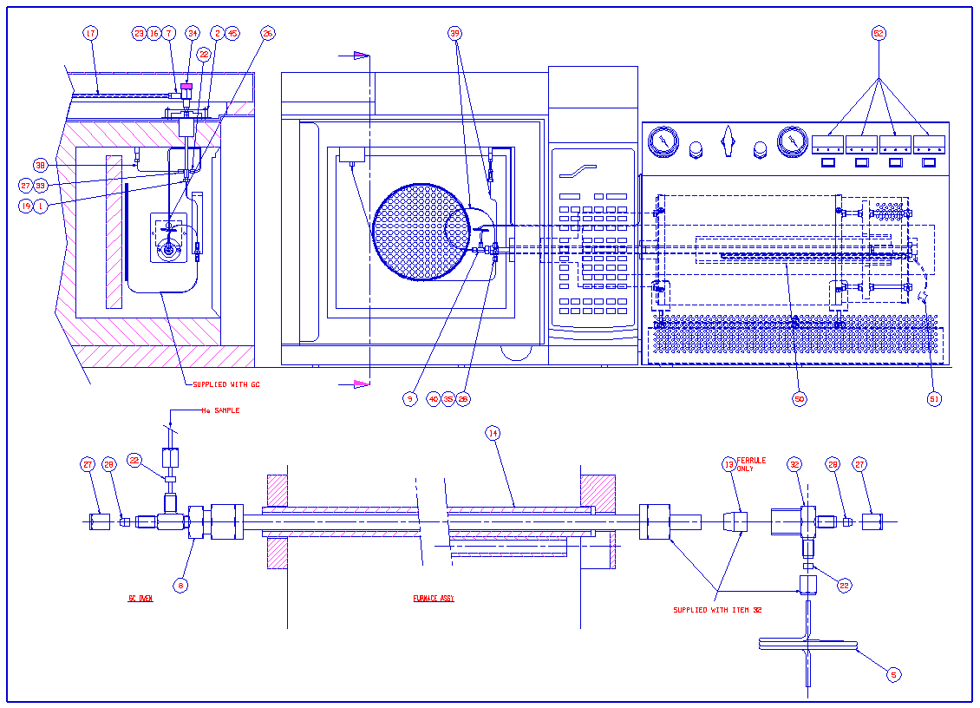
M67211DC1 GC5 Sample Line Assy
ITEM NUMBER | PART CODE | DESCRIPTION | QUANTITY USED
1 | M679106AD1 | NUT 1/16 TAPER MALE MODV.SS | 1
2 | M679144BD1 | VALVE BRACKET | 1
3 | M679145BD1 | HEATSINK BLOCK | 1
4 | M679146BD1 | VALVE BASE PLATE | 1
5 | M679147AD1 | OPEN SPLIT VENT TUBE | 1
6 | M679148AD1 | SUPPORT CAP | 1
7 | M679149AD1 | M5 AIR ADAPTOR | 1
8 | M679154AC1 | ZERO DEAD VOLUME REDUCER ASSY | 1
9 | M679155BD1 | SPLIT UNION BRACKET | 1
11 | 6070973 | SPRING RING CLAMP:DIRECT COMP-HOP-161 | 1
12 | M679205AD1 | BLANKING PLATE (GC5 RH) | 1
13 | T1030090 | VESPEL FERRULE 1/4 STR PS400V | 1
14 | M679203BD1 | FURNACE TUBE CARRIER (GC5 R/H) | 1
16 | 5337107 | WASHER PTFE GLASS FILLED FLAT M5 | 2
17 | 6060722 | TUBE POLYURETHENE BLUE O/D 4 | 2
19 | 6070173 | FERRULE GVF 16-003-004 | 1
22 | 6070734 | FERRULE VESPEL SEALING RING VSR16-16 | 2
23 | 6071629 | UNION MALE 4MM-M5 STUD FITTING | 1
26 | 6396072 | CAPILLARY SS HP/GC 1/16IN OD X 0.030IN ID | 3
27 | 6070739 | NUT 1/16 FEMALE SS EXTENDED | 2
28 | 6070737 | FERRULE GVF 16-004 | 2
32 | T1030073 | ST/STL TEE 1/4x1/16x1/16 | 1
33 | T1030108 | FERRULE GVF 16-005 | 1
34 | T1040570 | PNEUMATIC TEE VALVE MOVPT-1/100 | 1
35 | T1042480 | SPLITTER UNION VSLU 005 | 1
38 | T3602321 | CAPILLARY FUSED SILICA 320UM X 430UM | 1
39 | 70001613 | CAPILLARY FUSED SILICA 250 UM X 350 UM | 2
40 | T1030079 | FERRULE GVF 16(2)-004 | 2
43 | 5314016 | SCREW M3 X 6 CH SLT A4 SS | 2
44 | 5314022 | SCREW M4 X 10 CH SLT A4 SS | 4
45 | 5313003 | SCREW M4 X 25 CAP A4 SS | 2
46 | 5314069 | SCREW M3 X 12 CH SLT A4 SS | 2
47 | 5314062 | SCREW M3 X 20 CH SLT A4 SS | 2
50 | 7991061 | FURNACE ELEMENT | 1
51 | 4064028BD1 | THERMOCOUPLE. TYPE B | 1
52 | 7990424 | CAL3300 CONTROLLER | 4

MultiFlow Control Unit
ISOPRIME MULTIFLOW CONTROL UNIT T4004020
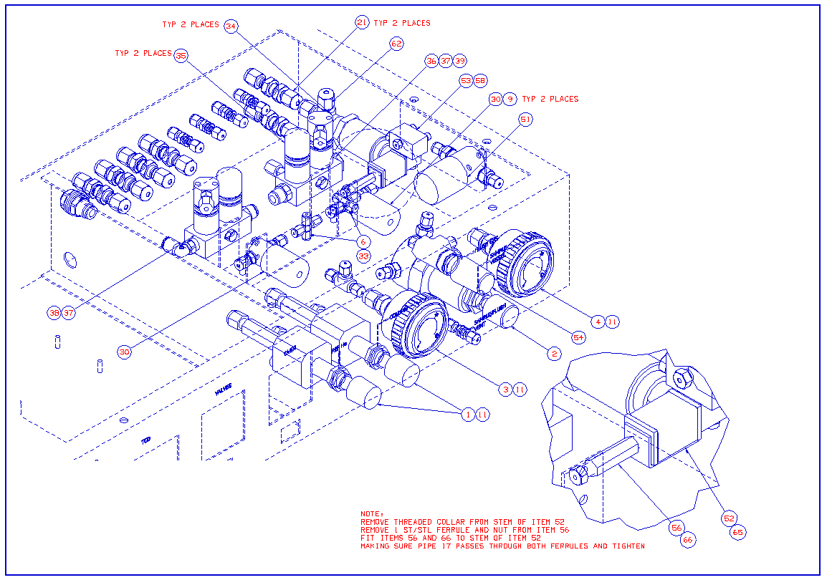
ITEM NUMBER | PART CODE | DESCRIPTION | QUANTITY
1 | T1042633 | PORTER FLOW CONTROLLER | 2
2 | T1640477 | PRESSURE REG 0-30 psi 8286-AMBF-30 | 1
3 | 6060985 | GAUGE PRESSURE 0-30PSI PANEL CHROME BEZEL G1/8 | 1
4 | 6060986 | GAUGE PRESSURE 0-15PSI PANEL CHROME BEZEL G1/8 | 1
6 | T1031001 | UNION CROSS STSTL SSUX-16 SS | 2
9 | T1042713 | WASHER NYLON 10-32 | 4
10 | T1042712 | ADAPTOR TEE 1/16IN FITTING | 1
11 | 6070175 | FERRULE PTFE 1/8X1/16 | 8
30 | T1042709 | VALVE SOLENOID ACTUATED | 2
33 | 6070734 | FERRULE VESPEL SEALING RING VSR16-16 | 8
34 | T1042533 | PREDYNE VALVE N/O SPECIAL ASSY (EH3210 S11 | 2
35 | T1042091 | SOLENOID VALVE N/C 24V ( E3110 S51) | 2
36 | 6070712 | WASHER DOWTY SEAL 1/8 BSP | 1
37 | 6071903 | MANIFOLD PREDYNE 2 STATION SUB BASE:(T1042922) | 2
38 | 6071847 | MALE STUD ELBOW 1/8IN 6MM | 1
39 | T1050052 | AVS BLANKING PLUG | 1
51 | 6060833 | SOLENOID VALVE 24V A2013 E | 1
52 | 6062719 | SOLENOID VALVE 24V DC 50PSI 11-13-5-BV-24L04 | 1
53 | M693764BD1 | VALVE BODY | 1
54 | 6060891 | VALVE PRECISION METERING HR SERIES | 1
56 | 06 00 0003 | VALCO UNION ST/STL 1/16 THROUGH BORE | 1
58 | 6070135 | VALCO FERRULE (641101) | 2
62 | 90001263 | PRESSURE SENSOR CABLE ASSEMBLY | 1
65 | 5711933 | O RING VITON 3.0IDX 1.0MM DEGAS TO GP1061 | 2
66 | T1640333 | FERRULE 1/16" PTFE STRAIGHT | 1

MultiFlow GC
ISOPRIME MULTIFLOW GC UNIT T4004021

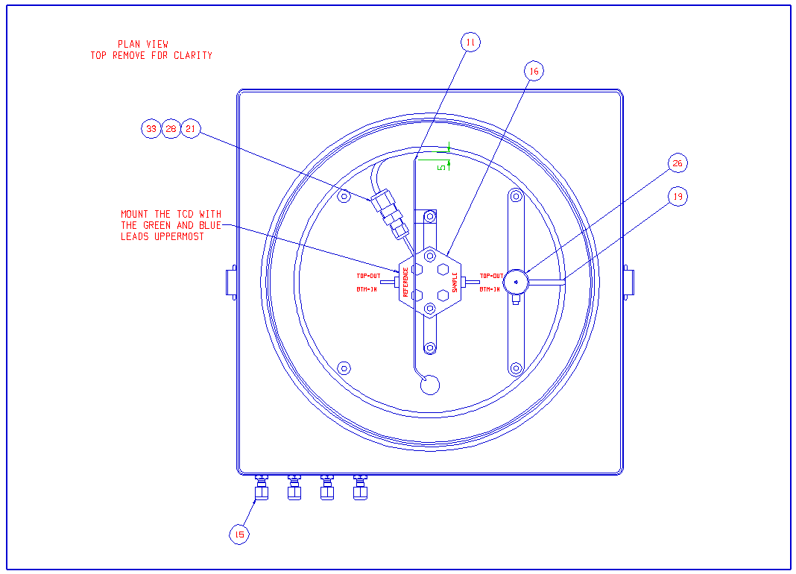
ITEM NUMBER | PART CODE | DESCRIPTION | QUANTITY
11 | T2029887 | THERMOCOUPLE TYPE K 2M WELD TIP GLASS FIBRE INS | 1
15 | T1031002 | UNION BULKHEAD BRASS 1/16TUBE | 4
16 | T1042951 | TCD FLOWTHROUGH 1/16 OD TUBES 4 FILAMENT WX | 1
19 | T3010275 | COLUMN CHROMPACK | 1
21 | T1043049 | SS UNION 1/8-1/16 REDUCR | 1
26 | T1042827 | FERRULE GVF 8-8 | 1
28 | 6396072 | CAPILLARY SS HP/GC 1/16IN OD X 0.030IN ID | 1
33 | 6070734 | FERRULE VESPEL SEALING RING VSR16-16 | 1

MultiFlow GC Gas Line
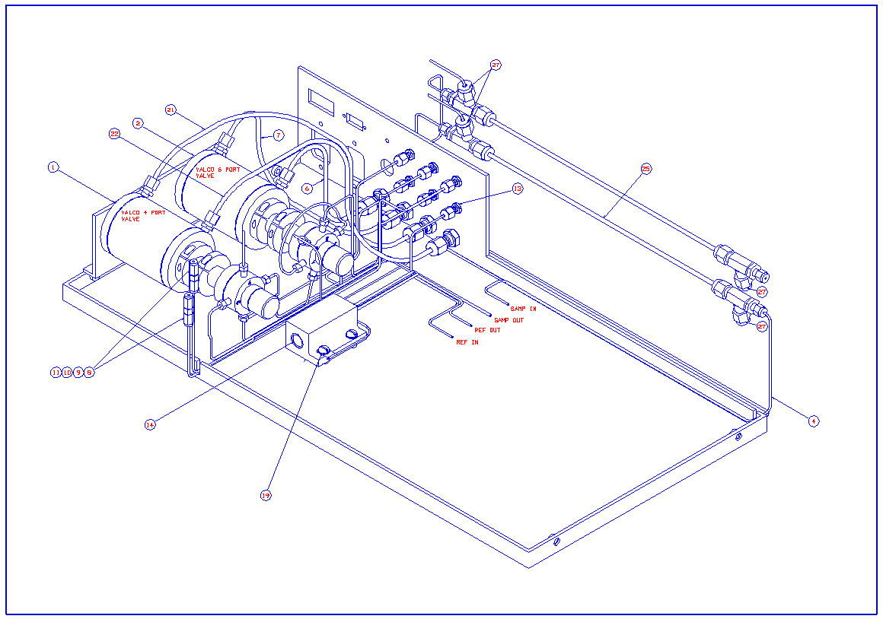
ISOPRIME MULTIFLOW GC GAS LINE T4004023
ITEM NUMBER | PART CODE | DESCRIPTION | QUANTITY
1 | T1042607 | VALCO VALVE -4 PORT:(V210027) | 1
2 | T1042708 | VALVE 6 PORT AIR ACTUATED VALCO | 1
4 | 6396072 | CAPILLARY SS HP/GC 1/16IN OD X 0.030IN ID | 5
6 | T1042142 | TUBE PTFE BROWN 1/8IN OD X 0.07 ID | 1
7 | T1042143 | TUBE PTFE RED 1/8IN OD X 0.07 ID | 1
8 | T1030099 | UNION SSU16.16 | 2
9 | 6070739 | NUT 1/16 FEMALE SS EXTENDED | 2
10 | 6070734 | FERRULE VESPEL SEALING RING VSR16-16 | 2
11 | 6070736 | FERRULE GVF 0.53/0.8ID GVF 16-008 | 2
13 | T1031002 | UNION BULKHEAD BRASS 1/16TUBE | 6
14 | T1042116 | CARTRIDGE HEATER 1/2IN X 2.0 X 120W | 1
19 | T2029887 | THERMOCOUPLE TYPE K 2M WELD TIP GLASS FIBRE INS | 1
21 | T1042144 | TUBE PTFE ORANGE 1/8IN OD X 0.07 ID | 1
22 | T1042145 | TUBE PTFE YELLOW 1/8IN OD X 0.07 ID | 1
25 | 70002017 | NAFION GAS DRYER | 1
27 | 6070175 | FERRULE PTFE 1/8X1/16 (PS200-100) | 2

MultiFlow Bio
ISOPRIME MULTIFLOW BIO SETUP M683080DC1

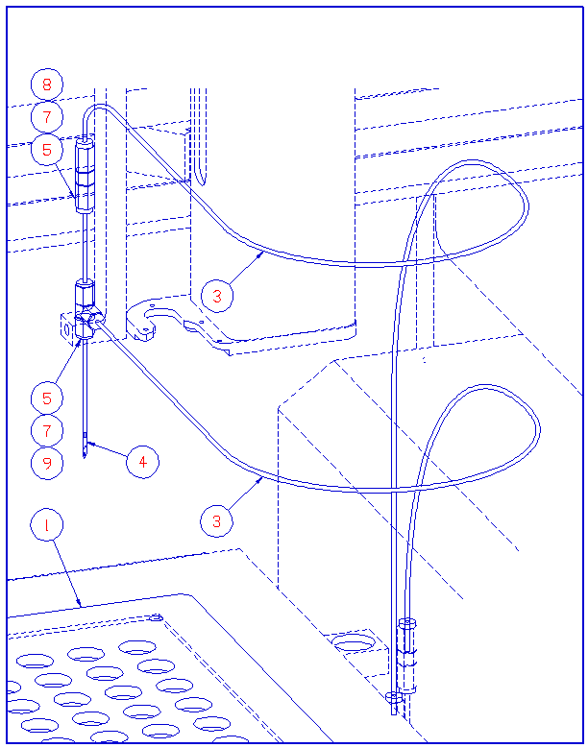
ITEM NUMBER | PART CODE | DESCRIPTION | QUANTITY
1 | M694128CD1 | SPACER PLATE | 1
3 | 6436007 | PEEK TUBING ORANGE 1/16IN O/D X 0.020IN | 1
4 | M694147CD1 | MULTICARB NEEDLE | 1
5 | 6070739 | NUT 1/16 FEMALE SS EXTENDED | 8
7 | 6070735 | FERRULE GVF 16-16 | 10
8 | 6070741 | UNION SSU16-16 | 1
9 | 6071781 | TEE UNION STSTL 1/16TUBE SGE | 1

MultiFlow Geo
ISOPRIME MULTIFLOW GEO SETUP M683080DC2
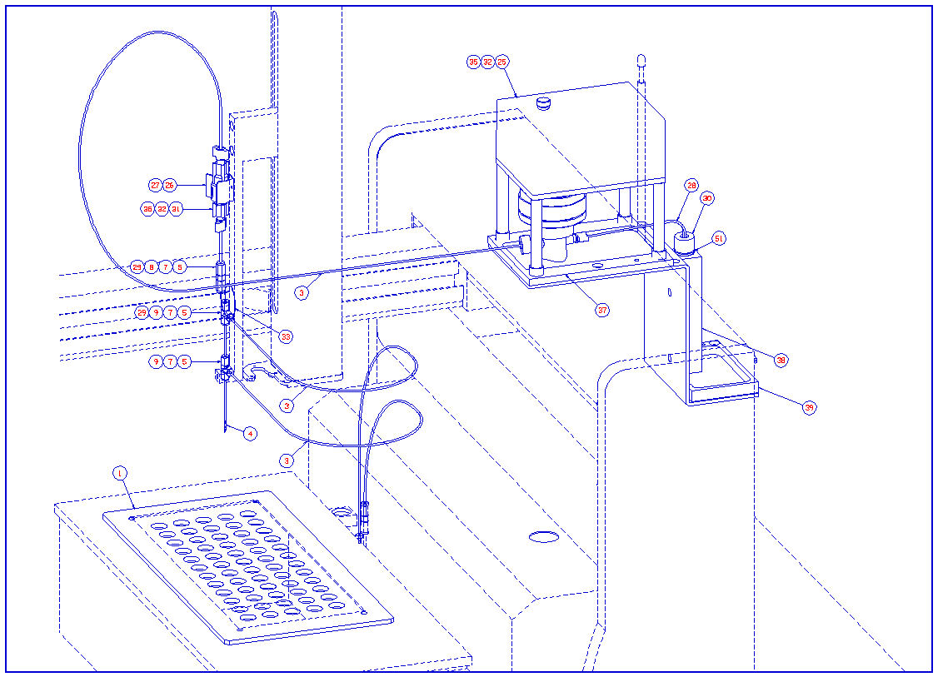
ITEM NUMBER | PART CODE | DESCRIPTION | QUANTITY
1 | M694128CD1 | SPACER PLATE | 1
2 | M694231CD1 | METERING PUMP LOCATION BRACKET | 1
3 | 6436007 | PEEK TUBING ORANGE 1/16IN O/D X 0.020IN | 2
4 | M694147CD1 | MULTICARB NEEDLE | 1
5 | 6070739 | NUT 1/16 FEMALE SS EXTENDED | 10
7 | 6070735 | FERRULE GVF 16-16 | 10
8 | 6070741 | UNION SSU16-16 | 1
9 | 6071781 | TEE UNION STSTL 1/16TUBE SGE | 2
25 | 3851001DC1 | MULTIPREP PIP PUMP RET-KIT | 1
26 | 1132212 | SCREW M3 X 6 PAN SLT A4 SS | 1
27 | 06 00 0241 | RETENTION CLIP | 1
28 | 6436009 | PEEK TUBING NATURAL 1/16IN O/D X 0.040IN | 0.5
29 | 6070737 | FERRULE GVF 16-004 | 2
30 | 6366409 | LARGE EXETAINER VIAL ( REF 438W) | 1
31 | 6072222 | 4O PSI BPR CARTRIDGE | 1
32 | 6070772 | PEEK NUT | 4
33 | T3602322 | CAPILLARY FUSED SILICA 220 UM X 320 UM | 1
34 | 3744021BC1 | VALVE CABLE ASSEMBLY | 1
35 | 6070773 | PEEK FERRULE AND RING | 4
37 | M694074BD1 | SPILLAGE CONTAINER METERING PUMP | 1
38 | M694082BD1 | HOLDER VACUTAINER VIAL | 1
39 | M694083BD1 | SPILLAGE CONTAINER VACUTAINER VIAL | 1
41 | 5311020 | SCREW M4 X 10 CSK SLT A4 SS | 4
43 | 5311055 | SCREW M3 X 30 CSK SLT A4 SS | 2
44 | 5321004 | NUT M3 FULL A4 SS | 2
45 | 5331005 | WASHER M3 FLAT A4 SS | 2
48 | 1146511 | LABEL EYE PROTECTION | 1
49 | 1146517 | LABEL CORROSIVE | 1
50 | 5604010 | LABEL CAUTION | 1
51 | 06 00 0253 | O RING 14.1 ID X 1.6 CS NITRILE | 1

Liquiface
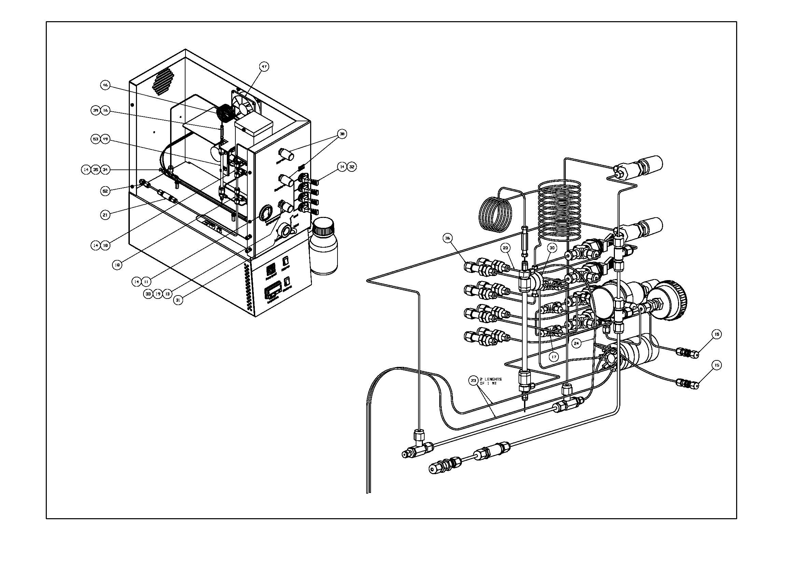
90001001 LiquiFace
ITEM | PART CODE | DESCRIPTION | QUANTITY
11 | 6060985 | GAUGE PRESSURE 0-30PSI PANEL CHROME BEZEL G1/8 | 1
13 | 6061726 | PRESSURE REGULATOR 8286-AMBS30 (0-30PSI) | 1
14 | 6070175 | FERRULE PTFE 1/8X1/16 (PS200-100) | 13
15 | 6070201 | UNION BULKHEAD STSTL 1/16 TUBE SWAGELOK | 2
16 | 6070211 | UNION VALCO ZU1C 1/16 TUBE 0.25MM BORE | 1
17 | 6070309 | TEE UNION STSTL 1/16TUBE SWAGELOK | 3
18 | 6070313 | UNION TEE 1/8IN ST/STL | 2
19 | 6071779 | CONN MALE 1/16IN-1/8IN NPT | 2
20 | 06 00 0050 | COMPRESSION FITTING 1/8 FEMALE - 1/8 BSPP | 1
21 | 6367408 | INLINE FILTER 1/8 IN | 1
22 | 6395995 | TUBE HPLC ST/STL 1/8INX0.085IN:(T1640509) | 2
23 | 6436007 | PEEK TUBING ORANGE 1/16IN O/D X 0.020IN | 3
24 | 70002058 | PEEK TUBING GREEN 1/16IN O/D X 0.030IN | 0.5
30 | 70001339 | UNION CROSS STSTL VALCO 1/16 TUBE 0.25MM BORE | 1
31 | 70001386 | RHEODYNE INJECTION VALVE 7725I W/POS SENS SWTCH | 1
32 | 70001388 | VALVE TOGGLE OG SERIES 1/8 ANGLE PATTERN BRASS | 4
33 | 70001389 | CONNECTOR MALE 1/8 TUBE 1/8NPT | 1
34 | 70002017 | NAFION GAS DRYER | 1
35 | 70002019 | 3.2 DIA P-TYPE CLIP | 2
36 | 70002023 | 1/8-1/16 BULKHEAD UNION | 8
37 | 70002024 | RHEODYNE 20UL SAMPLE LOOP WITH FITTINGS | 1
38 | 6060891 | VALVE PRECISION METERING HR SERIES | 2
39 | 70002056 | FERRULE PTFE 1/16 - 0.8 | 1
46 | 90001061 | HEATER COIL LC INTERFACE | 1
47 | 90001117 | LIQUIFACE FAN ASSEMBLY | 1
49 | 90001259 | GAS EXCHANGE UNIT | 1
50 | M693954DC1 | LIQUIFACE TEST KIT | 1
52 | T1042653 | UNION BULKHEAD BRASS 1/8 TUBE | 1
53 | M697069AD1 | SPRING CLIP | 2
54 | T1640330 | CAPILLARY SS HP/GC 1/16IN OD X 0.010IN ID | 3
56 | 90001116 | LIQUIFACE HEATER AND MOTOR CABLE ASSEMBLY | 1
57 | 90001120 | LIQUIFACE FAN EXTENSION CABLE ASSEMBLY | 1
58 | 5502001 | 25 THK INSULATION WOOL | 0.25
61 | T1640486 | CAPILLARY ST/ST 1/16IN X 0.020IN | 0.2
62 | 6396072 | CAPILLARY SS HP/GC 1/16IN OD X 0.030IN ID | 2

Sheet 1
